Sheet1
IMU Trade Studies
No | Name | Link | Price | Specs
1 | IMU Digital Combo Board - 6 Degrees of Freedom ITG3200/ADXL345 | https://www.sparkfun.com/products/10121 | 64.95 | Two mounting holes
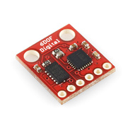
 |  |  |  | ADXL345 accelerometer | ±2, ±4, ±8, ±16 g
 |  |  |  | ITG-3200 gyro | X- , Y-, and Z-Axis gyros with ±2,000 °/sec full-scale range;
 |  |  |  | 3.3V input
 |  |  |  | I2C interface
 |  |  |  | full 6 degrees of freedom

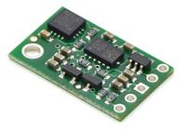
2 | MinIMU-9 v2 Gyro, Accelerometer, and Compass | http://www.pololu.com/product/1268 | 39.95 | Interface: | I²C
 |  |  |  | Minimum operating voltage: | 2.5 V
 |  |  |  | Maximum operating voltage: | 5.5 V
 |  |  |  | Axes: | pitch (x), roll (y), and yaw (z)
 |  |  |  | Measurement range: | ±250, ±500, or ±2000°/s (gyro)
 |  |  |  |  | ±2, ±4, ±8, or ±16 g (accelerometer)
 |  |  |  |  | ±1.3, ±1.9, ±2.5, ±4.0, ±4.7, ±5.6, or ±8.1 gauss (magnetometer)
 |  |  |  | Supply current: | 10 mA

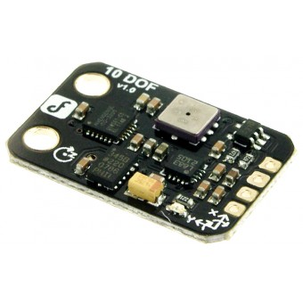
3 | 10 DOF Mems IMU Sensor | http://www.dfrobot.com/index.php?route=product/product&product_id=818#.UupDs2RdUkg | 49.5 | Wide power input range from 3 to 8 volts
 |  |  |  | Low noise LDO regulator
 |  |  |  | Low cost IMU
 |  |  |  | Interface: I2C
 |  |  |  | M3x2 holes for easily mounted on your mobile platforms,robots,HCI or UAVs
 |  |  |  | LED power indication
 |  |  |  | Integrate 10 dof sensors
 |  |  |  | Adxl345 accelerometer | 3-Axis, ±2 g/±4 g/±8 g/±16 g
 |  |  |  | ITG3200 gyro | Digital-output X-, Y-, and Z-Axis angular rate sensors (gyros) on one integrated circuit with a sensitivity of 14.375 LSBs per °/sec and a full-scale range of ±2000°/sec
 |  |  |  | HMC5883L Compass | 1° to 2° compass heading accuracy
 |  |  |  | BMP085 pressure sensor | 300-1100hPa / +9000m - 500m above sea level

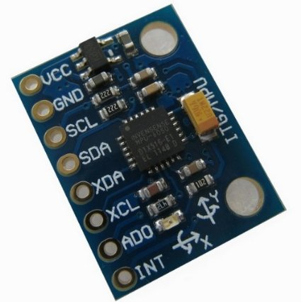
4 | Kootek® Arduino GY-521 MPU-6050 Module 3 axial gyroscope accelerometer stance tilt module | http://www.amazon.com/gp/product/B008BOPN40/ref=oh_details_o06_s00_i00?ie=UTF8&psc=1 | 6.26 | Gyroscope range: ± 250 500 1000 2000 ° / s
 |  |  |  | Acceleration range: ± 2 ± 4 ± 8 ± 16g
 |  |  |  | Power supply :3-5v (internal low dropout regulator)
 |  |  |  | Communication modes: standard IIC

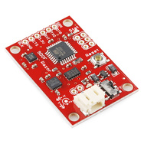
5 | 9 Degrees of Freedom - Razor IMU | https://www.sparkfun.com/products/10736 | 124.95 | 9 Degrees of Freedom on a single, flat board:
 |  |  |  | ITG-3200 - triple-axis digital-output gyroscope
 |  |  |  | ADXL345 - 13-bit resolution, ±16g, triple-axis accelerometer
 |  |  |  | HMC5883L - triple-axis, digital magnetometer
 |  |  |  | Outputs of all sensors processed by on-board ATmega328 and sent out via a serial stream
 |  |  |  | Autorun feature and help menu integrated into the example firmware
 |  |  |  | Output pins match up with FTDI Basic Breakout, Bluetooth Mate, XBee Explorer
 |  |  |  | 3.5-16VDC input
 |  |  |  | ON-OFF control switch and reset switch
 |  |  |  | 1.1" x 1.6" (28 x 41mm)

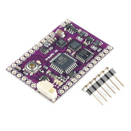
6 | DIYDrones ArduIMU+ V3 | https://www.sparkfun.com/products/11055 | 80 | 3-Axis gyro with sensitivity up to 131 LSBs/dps and a full-scale range of ±250, ±500, ±1000, and ±2000dps
 |  |  |  | 3-Axis accelerometer with a programmable full scale range of ±2g, ±4g, ±8g and ±16g
 |  |  |  | Reduced settling effects and sensor drift by elimination of board-level cross-axis alignment errors between accelerometers and gyroscopes
 |  |  |  | Full Chip Idle Mode Supply Current: 5µA
 |  |  |  | On-chip timing generator with ±1% frequency variation over full temperature range
 |  |  |  | User self test
 |  |  |  | 10,000g shock tolerant
 |  |  |  | Pin compatible with ArduIMU V2
 |  |  |  | The 6 analog pins are now available!
 |  |  |  | Arduino compatible and open source.
 |  |  |  | 3 status LED's (RGB).
 |  |  |  | I2C port with 3.3V translation.
 |  |  |  | GPS port with FTDI autoswitch.

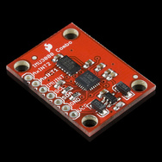
7 | IMU Fusion Board - ADXL345 & IMU3000 | 60 | https://www.sparkfun.com/products/10252 | 3-axis MEMS digital gyro with programmable ranges from +-250 to +-2000 degrees/sec
 |  |  |  | ADXL345 3-Axis, ±2 g/±4 g/±8 g/±16 g
 |  |  |  | IMU-3000 ±250 ±500 ±1000 ±2000

8 | Digital IMU Breakout - IMU3000 | 40 | https://www.sparkfun.com/products/10251 | 3-axis MEMS digital gyro with programmable ranges from +-250 to +-2000 degrees/sec. In addition, it has a secondary I2C port that interfaces with a digital accelerometer to deliver a complete 6-axis sensor output from its primary I2C port
 |  |  |  | 3-Axis, ±2 g/±4 g/±8 g/±16 g
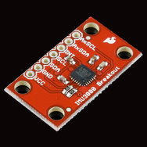

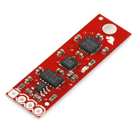
9 | 9 Degrees of Freedom - Sensor Stick | 50 | https://www.sparkfun.com/products/10724 | 9 degrees of freedom. It includes the ADXL345 accelerometer, the HMC5883L magnetometer, and the ITG-3200 MEMS gyro
 |  |  |  | 3-Axis, ±2 g/±4 g/±8 g/±16 g
 |  |  |  | Enables 1° to 2° Degree Compass Heading Accuracy
 |  |  |  | X- , Y-, and Z-Axis gyros with ±2,000 °/sec full-scale range;

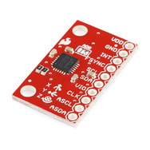
10 | Triple Axis Accelerometer and Gyro Breakout - MPU-6050 | 40 | https://www.sparkfun.com/products/11028 | I2C Digital-output of 6 or 9-axis MotionFusion data in rotation matrix, quaternion, Euler Angle, or raw data format
 |  |  |  | Input Voltage: 2.3 - 3.4V
 |  |  |  | Selectable Solder Jumpers on CLK, FSYNC and AD0
 |  |  |  | Tri-Axis angular rate sensor (gyro) with a sensitivity up to 131 LSBs/dps and a full-scale range of ±250, ±500, ±1000, and ±2000dps
 |  |  |  | Tri-Axis accelerometer with a programmable full scale range of ±2g, ±4g, ±8g and ±16g
 |  |  |  | Digital Motion Processing™ (DMP™) engine offloads complex MotionFusion, sensor timing synchronization and gesture detection
 |  |  |  | Embedded algorithms for run-time bias and compass calibration. No user intervention required
 |  |  |  | Digital-output temperature sensor

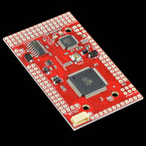
11 | ArduPilot Mega - Arduino Mega compatible UAV Controller | 60 | https://www.sparkfun.com/products/10294 | Controller designed to be used with autonomous aircraft, car or boat.
 |  |  |  | Based on a 16MHz Atmega2560 processor.
 |  |  |  | Built-in hardware failsafe that uses a separate circuit (multiplexer chip and ATMega328 processor) to transfer control from the RC system to the autopilot and back again. Includes ability to reboot the main processor in mid-flight
 |  |  |  | Dual-processor design with 32 MIPS of onboard power
 |  |  |  | Supports of 3D waypoints and mission commands (limited only by memory)
 |  |  |  | Comes with a 6-pin GPS connector (EM406 style).
 |  |  |  | Has 16 spare analog inputs (with ADC on each) and 40 spare digital input/outputs to add additional sensors
 |  |  |  | Four dedicated serial ports for two-way telemetry (using optional XBee modules) and expansion
 |  |  |  | Can be powered by either the RC receiver or a separate battery
 |  |  |  | Hardware-driven servo control, which means less processor overhead, tighter response and no jitters
 |  |  |  | Eight RC channels (including the autopilot on/off channel) can be processed by the autopilot.
 |  |  |  | LEDs for power, failsafe status, autopilot status and GPS lock
 |  |  |  | Full autopilot software, including IMU and groundstation/mission planning code, are available atDIY Drones. Code supports autonomous takeoff and landing.

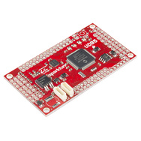
12 | UDB5 - PIC UAV Development Board | 80 | https://www.sparkfun.com/products/11703 | ompatible with 20-channel EM-406A SiRF III GPS
 |  |  |  | compatible with 50-channel GS407 Helical GPS
 |  |  |  | dsPIC33FJ256GP710A Controller (with onboard 3.3V and 5V glue logic)
 |  |  |  | dsPIC runs at 80MHz (40 MIPS) with 8MHz resonator and PLL
 |  |  |  | MPU-6000 MEMS 3-axis gyroscope and 3-axis accelerometer
 |  |  |  | External 256Kbit EEPROM
 |  |  |  | Up to 8 Input, 8 output PWM points
 |  |  |  | 6-wire debug header or ICSP header
 |  |  |  | 4 separate colored status LEDs
 |  |  |  | On board 3.3V and 5V regulators (150mA max)
 |  |  |  | Spare USART connection for debugging, flight logging, wireless telemetry, etc.
 |  |  |  | I/O pins include a CAN, an I2C, and a SPI port
 |  |  |  | 30 spare analog and digital I/O pins for debugging and interfacing to sensors

